Sheet1
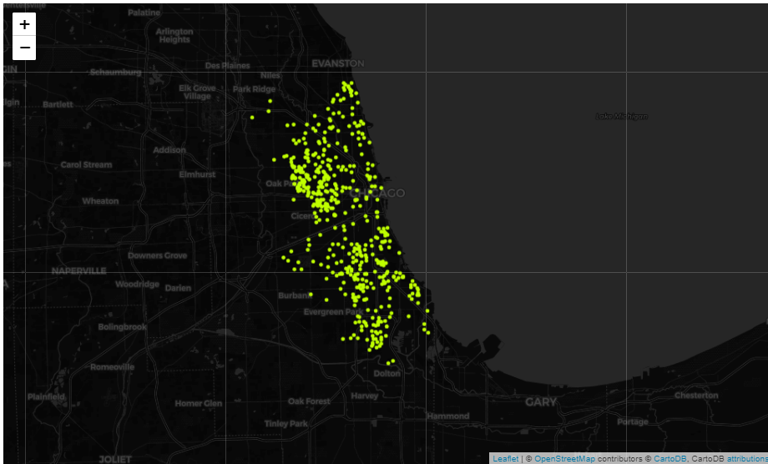
Overall summary | CRIME TRENDS
Primary Theft vs Crime Count(2001-2004)
THEFT | 387707
BATTERY | 359137
CRIMINAL DAMAGE | 217926
NARCOTICS | 207153
OTHER OFFENSE | 122195
ASSAULT | 119908
BURGLARY | 101053
MOTOR VEHICLE THEFT | 96457
ROBBERY | 69803
CRIMINAL TRESPASS | 57058
DECEPTIVE PRACTICE | 54498
Crime Count vs Primary Type(2004-2008)
THEFT | 354045
BATTERY | 340926
NARCOTICS | 237559
CRIMINAL DAMAGE | 230911
OTHER OFFENSE | 113962
ASSAULT | 110556
BURGLARY | 103290
MOTOR VEHICLE THEFT | 86794
ROBBERY | 65801
CRIMINAL TRESPASS | 61636
DECEPTIVE PRACTICE | 56114

Crime Count Trend(2001-2017)
2001 | 568518 | 2001
2002 | 490879 | 2002
2003 | 475913 | 2003
2004 | 388205 | 2004
2005 | 455811 | 2005
2006 | 794685 | 2006
2007 | 621849 | 2007
2008 | 852053 | 2008
2009 | 783900 | 2009
2010 | 700692 | 2010
2011 | 352066 | 2011
2012 | 335670 | 2012
2013 | 306703 | 2013
2014 | 274527 | 2014
2015 | 262995 | 2015
2016 | 265462 | 2016
2017 | 11357 | 2017

Primary Type vs Crime Count(2008-2011)
THEFT | 550291
BATTERY | 471374
CRIMINAL DAMAGE | 313683
NARCOTICS | 295586
BURGLARY | 181122
OTHER OFFENSE | 164351
ASSAULT | 157315
MOTOR VEHICLE THEFT | 122540
ROBBERY | 105682
DECEPTIVE PRACTICE | 89561
CRIMINAL TRESPASS | 72506
Primary Theft vs Crime Count(2012-2017)
THEFT | 321960
BATTERY | 258944
CRIMINAL DAMAGE | 152816
NARCOTICS | 131184
ASSAULT | 89512
OTHER OFFENSE | 85361
BURGLARY | 81671
DECEPTIVE PRACTICE | 67611
MOTOR VEHICLE THEFT | 59858
ROBBERY | 56093

 |  | Assault:
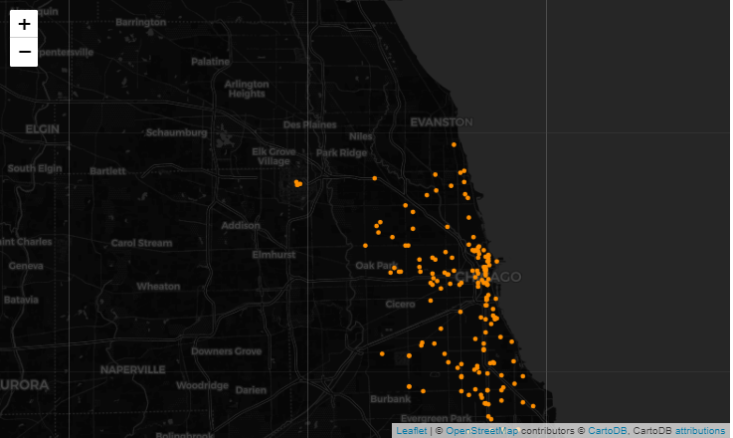

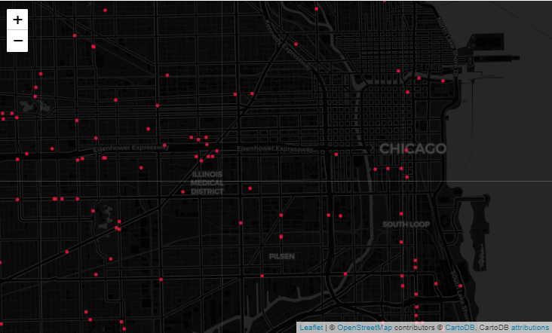
 | Roberry
 |  | Narcotics:

Sheet2
Extra Feature Crime Trend(2001-2017)

Fake Documents(2001-2017)
2001 | 634
2002 | 543
2003 | 570
2004 | 593
2005 | 858
2006 | 1227
2007 | 1286
2008 | 1486
2009 | 1522
2010 | 1107
2011 | 454
2012 | 593
2013 | 566
2014 | 573
2015 | 652
2016 | 834
Fake Documents Trend(2001-2017
2001 | 634
2002 | 543
2003 | 570
2004 | 593
2005 | 858
2006 | 1227
2007 | 1286
2008 | 1486
2009 | 1522
2010 | 1107
2011 | 454
2012 | 593
2013 | 566
2014 | 573
2015 | 652
2016 | 834

Cyber Stalking(2001-2017)
2003 | 2
2004 | 4
2005 | 6
2006 | 23
2007 | 12
2008 | 18
2009 | 28
2010 | 20
2011 | 25
2012 | 28
2013 | 19
2014 | 15
2015 | 19
2016 | 16
Cyber Stalking Trend(2001-2017
2003 | 2
2004 | 4
2005 | 6
2006 | 23
2007 | 12
2008 | 18
2009 | 28
2010 | 20
2011 | 25
2012 | 28
2013 | 19
2014 | 15
2015 | 19
2016 | 16
School Children Abduction(2001-2017)
2001 | 32
2002 | 31
2003 | 28
2004 | 16
2005 | 22
2006 | 31
2007 | 29
2008 | 30
2009 | 20
2010 | 23
2011 | 12
2012 | 10
2013 | 10
2014 | 6
2015 | 8
2016 | 6

School Children Abduction(2001-2017)
2001 | 32
2002 | 31
2003 | 28
2004 | 16
2005 | 22
2006 | 31
2007 | 29
2008 | 30
2009 | 20
2010 | 23
2011 | 12
2012 | 10
2013 | 10
2014 | 6
2015 | 8
2016 | 6
School Children Abduction(2001-2017)
2001 | 32
2002 | 31
2003 | 28
2004 | 16
2005 | 22
2006 | 31
2007 | 29
2008 | 30
2009 | 20
2010 | 23
2011 | 12
2012 | 10
2013 | 10
2014 | 6
2015 | 8
2016 | 6

Sheet3
Crime Trends
Crime Trends(2001-2017)
 | Narcotics | Assault | Buglary | Motar vehicle
 | 59900 | 36439 | 30218 | 32082
 | 52206 | 31846 | 25789 | 25249
 | 54224 | 29438 | 25145 | 22734
 | 44270 | 23694 | 20750 | 18859
 | 56349 | 27138 | 25577 | 22574
 | 103819 | 45737 | 43068 | 37817
 | 78346 | 37851 | 34833 | 26623
 | 92662 | 50852 | 52405 | 37707
 | 86995 | 45695 | 53485 | 30942
 | 82790 | 41229 | 49670 | 35434
 | 38630 | 20453 | 26621 | 19389
 | 35486 | 19898 | 22844 | 16492
 | 34144 | 17971 | 17894 | 12582
 | 28953 | 16896 | 14569 | 9913
 | 23833 | 17040 | 13183 | 10076
 | 12413 | 18710 | 14240 | 11363
 | 411 | 774 | 667 | 712
Crime Trends(2001-2017)
 | Narcotics | Assault | Buglary | Motar vehicle
 | 59900 | 36439 | 30218 | 32082
 | 52206 | 31846 | 25789 | 25249
 | 54224 | 29438 | 25145 | 22734
 | 44270 | 23694 | 20750 | 18859
 | 56349 | 27138 | 25577 | 22574
 | 103819 | 45737 | 43068 | 37817
 | 78346 | 37851 | 34833 | 26623
 | 92662 | 50852 | 52405 | 37707
 | 86995 | 45695 | 53485 | 30942
 | 82790 | 41229 | 49670 | 35434
 | 38630 | 20453 | 26621 | 19389
 | 35486 | 19898 | 22844 | 16492
 | 34144 | 17971 | 17894 | 12582
 | 28953 | 16896 | 14569 | 9913
 | 23833 | 17040 | 13183 | 10076
 | 12413 | 18710 | 14240 | 11363
 | 411 | 774 | 667 | 712

Narcotics crime count(2001-2017)
2001 | 59900
2002 | 52206
2003 | 54224
2004 | 44270
2005 | 56349
2006 | 103819
2007 | 78346
2008 | 92662
2009 | 86995
2010 | 82790
2011 | 38630
2012 | 35486
2013 | 34144
2014 | 28953
2015 | 23833
2016 | 12413
2017 | 411
Narcotics Trend(2001-2017)
2001 | 59900
2002 | 52206
2003 | 54224
2004 | 44270
2005 | 56349
2006 | 103819
2007 | 78346
2008 | 92662
2009 | 86995
2010 | 82790
2011 | 38630
2012 | 35486
2013 | 34144
2014 | 28953
2015 | 23833
2016 | 12413
2017 | 411

Assault Crime Count(2001-2017)
2001 | 36439
2002 | 31846
2003 | 29438
2004 | 23694
2005 | 27138
2006 | 45737
2007 | 37851
2008 | 50852
2009 | 45695
2010 | 41229
2011 | 20453
2012 | 19898
2013 | 17971
2014 | 16896
2015 | 17040
2016 | 18710
2017 | 774
Assault Crime Count Trend(2001-2017)
2001 | 36439
2002 | 31846
2003 | 29438
2004 | 23694
2005 | 27138
2006 | 45737
2007 | 37851
2008 | 50852
2009 | 45695
2010 | 41229
2011 | 20453
2012 | 19898
2013 | 17971
2014 | 16896
2015 | 17040
2016 | 18710
2017 | 774

Burglary(2001-2004)
 | 30218
 | 25789
 | 25145
 | 20750
 | 25577
 | 43068
 | 34833
 | 52405
 | 53485
 | 49670
 | 26621
 | 22844
 | 17894
 | 14569
 | 13183
 | 14240
 | 667
Burglary CrimeTrend(2001-2017)
2001 | 30218
2002 | 25789
2003 | 25145
2004 | 20750
2005 | 25577
2006 | 43068
2007 | 34833
2008 | 52405
2009 | 53485
2010 | 49670
2011 | 26621
2012 | 22844
2013 | 17894
2014 | 14569
2015 | 13183
2016 | 14240
2017 | 667

Sheet4
Block Crime Count
Block vs Crime Count(2001-2004)
100XX W OHARE ST | 6144
001XX N STATE ST | 3147
076XX S CICERO AVE | 2363
044XX S FEDERAL ST | 1845
022XX S STATE ST | 1794
0000X N STATE ST | 1785
023XX S STATE ST | 1758
035XX S FEDERAL ST | 1535
Block vs Crime Count(2004-2008)
100XX W OHARE ST | 5710
076XX S CICERO AVE | 3928
008XX N MICHIGAN AVE | 3739
0000X N STATE ST | 3698
001XX N STATE ST | 3619
023XX S STATE ST | 2476
046XX W NORTH AVE | 2437
064XX S DR MARTIN LUTHER KING JR DR | 2401
063XX S DR MARTIN LUTHER KING JR DR | 1962
040XX W LAKE ST | 1944
001XX W 87TH ST | 1744
008XX N STATE ST | 1685
071XX S JEFFERY BLVD | 1602
021XX E 71ST ST | 1556

Block vs Crime count(2005-2007)
100XX W OHARE ST | 6848
023XX S STATE ST | 2891
005XX E BROWNING AVE | 2740
076XX S CICERO AVE | 2624
001XX N STATE ST | 2375
022XX S STATE ST | 2167
027XX S DEARBORN ST | 2053
012XX N BURLING ST | 2023
0000X N STATE ST | 1840
008XX N MICHIGAN AVE | 1748
063XX S DR MARTIN LUTHER KING JR DR | 1635
Block vs Crime Count(2012-2017)
100XX W OHARE ST | 321960
001XX N STATE ST | 258944
076XX S CICERO AVE | 152816
044XX S FEDERAL ST | 131184
022XX S STATE ST | 89512
0000X N STATE ST | 85361
023XX S STATE ST | 81671
035XX S FEDERAL ST | 67611
071XX S JEFFERY BLVD | 59858
021XX E 71ST ST | 56093

Sheet5
Assault | Robbery
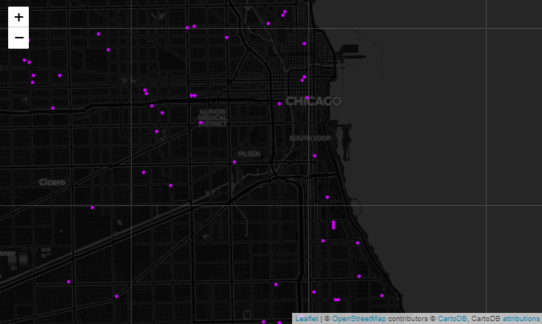

Narcotics | Blocks with high crime count

